Sheet1
Days of the week | Observed | E | (O-E)^2 | D1/E
Sunday | 11 | 8 | 9 | 1.125
Monday | 8 | 8 | 0 | 0
Tuesday | 10 | 8 | 4 | 0.5
Wednesday | 7 | 8 | 1 | 0.125
Thursday | 10 | 8 | 4 | 0.5
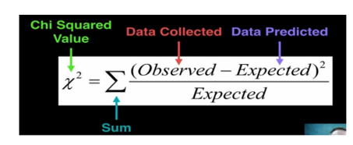
Friday | 5 | 8 | 9 | 1.125
Saturday | 5 | 8 | 9 | 1.125
 |  |  | X^2 | 4.5

 |  |  | df | 6
 |  |  | significance | 0.05

 |  |  | critical value | 12.591587244

we fail to reject the null hypothesis because the critical value is greater than the chi square

